Sheet1
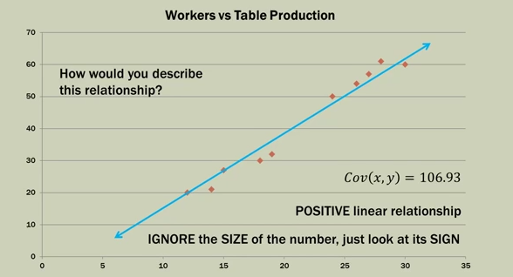
Statistics 101
How to calculate covariance
Covariance - A descriptive measure of the linier association between two variables
A positive value indicates a direct or increasing linear relationship
A negative value indicates a decreasing relationship

- Direction = Sign + So if the covariance is positive the slope of the lign is up and to the right, if the covariance is negative the slope of the lign is down and to the right

The Covariance indicates nothing about the strength of the relationship only its direction
Correlation idicates the strength of the relationship
The corelation takes into account the what the covariance is

Formula for finding Covariance
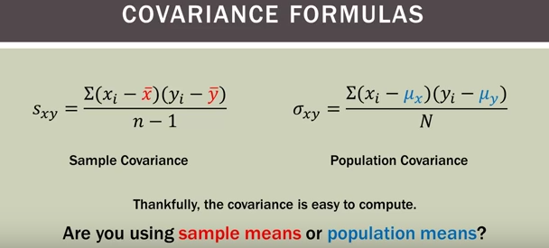

The only thing that realy changes is the denominator. If you are looking for the sample covariance you would do n-1 and in population covariance it is just N

Sample Covariance explained: |  |  | On top of the fraction you take (X(which is each data point for variable 1) - X(with the line over it is the mean or avg)) then(Y(each data point for variable2)-Y(the mean for Y)) The € summation sign means that after we find all of the X's - Xmean and Y's - Ymean we will sum them all up and then multiply them

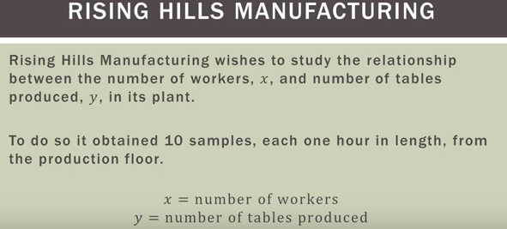
 |  |  |  |  | X | Y | (Xi-Xmean) | (Yi-Ymean) | (Xi-Xmean)(Yi-Ymean)
 | Example |  |  |  | 12 | 20 | -9.3 | -21.2 | 197.16
 |  |  |  |  | 30 | 60 | 8.7 | 18.8 | 163.56
 |  |  |  |  | 15 | 27 | -6.3 | -14.2 | 89.46
 |  |  |  |  | 24 | 50 | 2.7 | 8.8 | 23.76
 |  |  |  |  | 14 | 21 | -7.3 | -20.2 | 147.46
 |  |  |  |  | 18 | 30 | -3.3 | -11.2 | 36.96
 |  |  |  |  | 28 | 61 | 6.7 | 19.8 | 132.66
 |  |  |  |  | 26 | 54 | 4.7 | 12.8 | 60.16
 |  |  |  |  | 19 | 32 | -2.3 | -9.2 | 21.16
 |  |  |  |  | 27 | 57 | 5.7 | 15.8 | 90.06
 |  |  |  | Mean | 21.3 | 41.2 |  |  | 962.4
Scatter Plot of This Data

 |  | #remember that n is the number of samples taken so in this example the denominator would be 9
 |  | Cov(X,Y)=Sxy= 962.4/n-1

 |  | Covariance for this would be
 |  | Cov(x,y) = | 106.93
 |  | Positive linear relationship
 |  | The size of the number doesn't mean anything , just look at the sign of the number and this is positive

